Tile
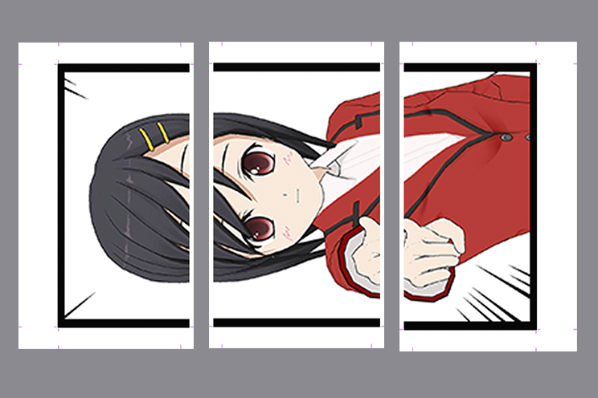
Tile Printing Settings Calculator

 | Enter your values in the yellow boxes
How many prints will be horizontal? | 3
How many prints will be vertical? | 1
How wide (width in inches) do you want each print to be? Max:12 | 6 | *Vertical prints must be treated as horizontal for this calculator
How long (height in inches) do you want each print to be? | 36 | Example below: 3 horizontal and 1 vertical on 6x12 prints, mounted on a grey wall
_________________________________________________________________________________________________________________________________________________________________________________________
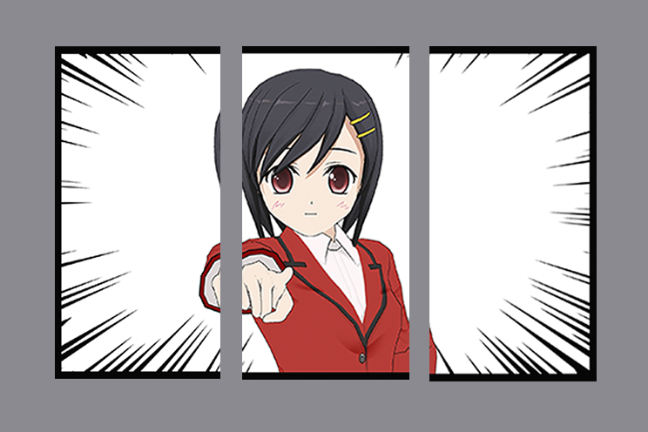
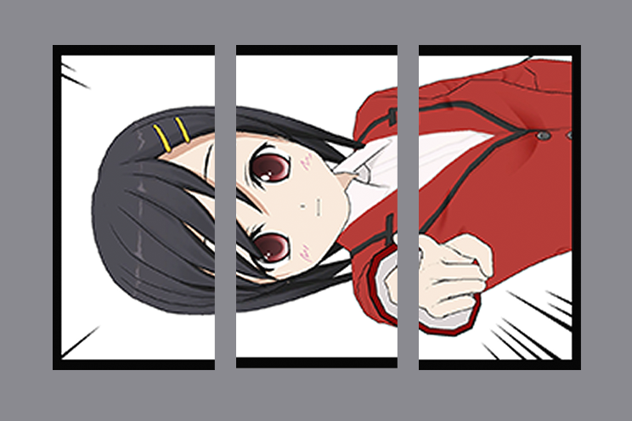
Function/Management Tool/Print Channel setting/Edit:
Paper 1 width (mm) needs to be | 152
Advance length (mm) needs to be | 914.4
x
Tiling Finished Size settings
Overlap - Unchecked (recommended, no trim needed)
Register Mark - Not In Use (recommended, no trim needed)
Width **cannot exceed 1200** | 456
Height **cannot exceed 1200** | 914.4

x | x | x | x | x | x | x | x | x

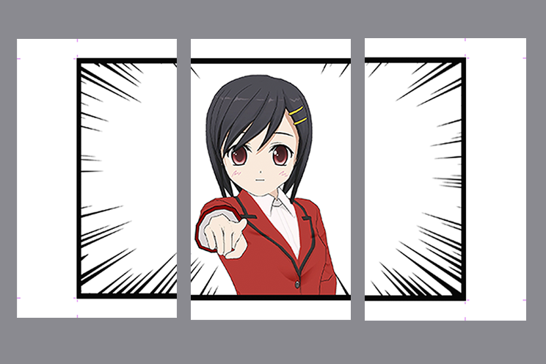
*If using the Overlap and/or Register Mark functions* - more paper will be used and trim is needed |  | With Register marks set to 'In Use'
Function/Management Tool/Print Channel setting/Edit
Paper 1 width (mm) needs to be | 203
Advance length (mm) needs to be | 965

Tiling Finished Size settings
Width **cannot exceed 1200** | 456
Height **cannot exceed 1200** | 914.4
x
x
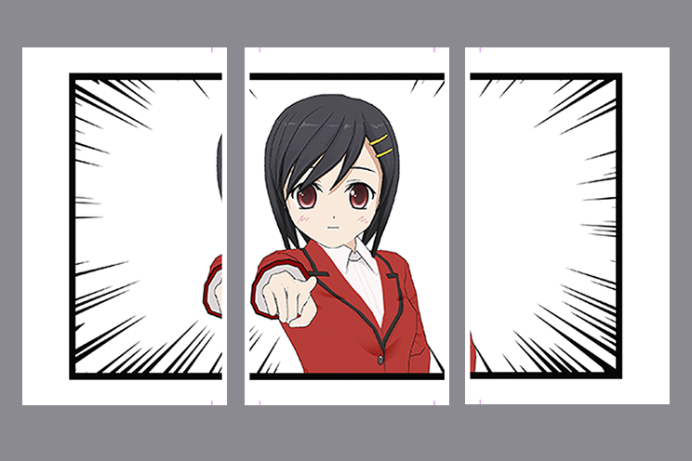
 |  | With Overlap 10.0mm

 |  | With Register Marks set to 'In Use' and Overlap 10.0 mm

